Data Aug Details
Speaker | Layer Frozen | Training Loss Graph | Training Accuracy Graph | Accuracy | % Change from Normal

F05 | Augmented_F05_D3 | 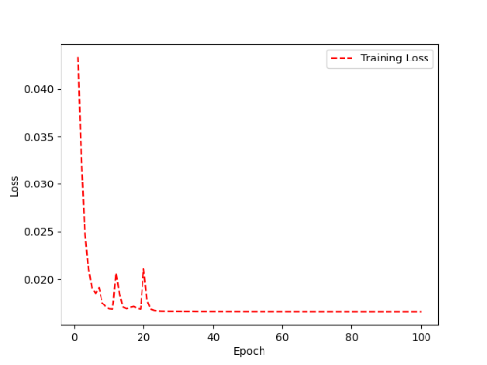 | 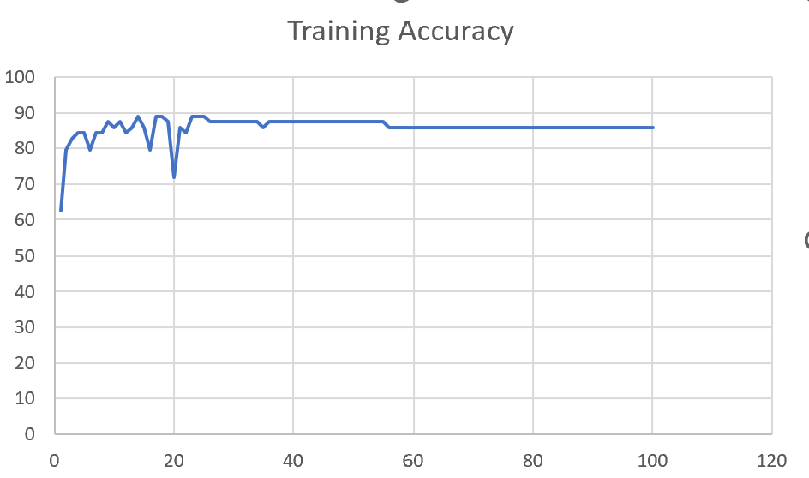 | 93 | 2

 | Augmented_F05_TE

F05

Sheet1
 |  |  | Training Accuracy
0 | 0.375 | 1 | 62.5
1 | 0.203125 | 2 | 79.6875
2 | 0.171875 | 3 | 82.8125
3 | 0.15625 | 4 | 84.375
4 | 0.15625 | 5 | 84.375
5 | 0.203125 | 6 | 79.6875
6 | 0.15625 | 7 | 84.375
7 | 0.15625 | 8 | 84.375
8 | 0.125 | 9 | 87.5
9 | 0.140625 | 10 | 85.9375
10 | 0.125 | 11 | 87.5
11 | 0.15625 | 12 | 84.375
12 | 0.140625 | 13 | 85.9375
13 | 0.109375 | 14 | 89.0625
14 | 0.140625 | 15 | 85.9375
15 | 0.203125 | 16 | 79.6875
16 | 0.109375 | 17 | 89.0625
17 | 0.109375 | 18 | 89.0625
18 | 0.125 | 19 | 87.5
19 | 0.28125 | 20 | 71.875
20 | 0.140625 | 21 | 85.9375
21 | 0.15625 | 22 | 84.375
22 | 0.109375 | 23 | 89.0625
23 | 0.109375 | 24 | 89.0625
24 | 0.109375 | 25 | 89.0625
25 | 0.125 | 26 | 87.5
26 | 0.125 | 27 | 87.5
27 | 0.125 | 28 | 87.5
28 | 0.125 | 29 | 87.5
29 | 0.125 | 30 | 87.5
30 | 0.125 | 31 | 87.5
31 | 0.125 | 32 | 87.5
32 | 0.125 | 33 | 87.5
33 | 0.125 | 34 | 87.5
34 | 0.140625 | 35 | 85.9375
35 | 0.125 | 36 | 87.5
36 | 0.125 | 37 | 87.5
37 | 0.125 | 38 | 87.5
38 | 0.125 | 39 | 87.5
39 | 0.125 | 40 | 87.5
40 | 0.125 | 41 | 87.5
41 | 0.125 | 42 | 87.5
42 | 0.125 | 43 | 87.5
43 | 0.125 | 44 | 87.5
44 | 0.125 | 45 | 87.5
45 | 0.125 | 46 | 87.5
46 | 0.125 | 47 | 87.5
47 | 0.125 | 48 | 87.5
48 | 0.125 | 49 | 87.5
49 | 0.125 | 50 | 87.5
50 | 0.125 | 51 | 87.5
51 | 0.125 | 52 | 87.5
52 | 0.125 | 53 | 87.5
53 | 0.125 | 54 | 87.5
54 | 0.125 | 55 | 87.5
55 | 0.140625 | 56 | 85.9375
56 | 0.140625 | 57 | 85.9375
57 | 0.140625 | 58 | 85.9375
58 | 0.140625 | 59 | 85.9375
59 | 0.140625 | 60 | 85.9375
60 | 0.140625 | 61 | 85.9375
61 | 0.140625 | 62 | 85.9375
62 | 0.140625 | 63 | 85.9375
63 | 0.140625 | 64 | 85.9375
64 | 0.140625 | 65 | 85.9375
65 | 0.140625 | 66 | 85.9375
66 | 0.140625 | 67 | 85.9375
67 | 0.140625 | 68 | 85.9375
68 | 0.140625 | 69 | 85.9375
69 | 0.140625 | 70 | 85.9375
70 | 0.140625 | 71 | 85.9375
71 | 0.140625 | 72 | 85.9375
72 | 0.140625 | 73 | 85.9375
73 | 0.140625 | 74 | 85.9375
74 | 0.140625 | 75 | 85.9375
75 | 0.140625 | 76 | 85.9375
76 | 0.140625 | 77 | 85.9375
77 | 0.140625 | 78 | 85.9375
78 | 0.140625 | 79 | 85.9375
79 | 0.140625 | 80 | 85.9375
80 | 0.140625 | 81 | 85.9375
81 | 0.140625 | 82 | 85.9375
82 | 0.140625 | 83 | 85.9375
83 | 0.140625 | 84 | 85.9375
84 | 0.140625 | 85 | 85.9375
85 | 0.140625 | 86 | 85.9375
86 | 0.140625 | 87 | 85.9375
87 | 0.140625 | 88 | 85.9375
88 | 0.140625 | 89 | 85.9375
89 | 0.140625 | 90 | 85.9375
90 | 0.140625 | 91 | 85.9375
91 | 0.140625 | 92 | 85.9375
92 | 0.140625 | 93 | 85.9375
93 | 0.140625 | 94 | 85.9375
94 | 0.140625 | 95 | 85.9375
95 | 0.140625 | 96 | 85.9375
96 | 0.140625 | 97 | 85.9375
97 | 0.140625 | 98 | 85.9375
98 | 0.140625 | 99 | 85.9375
99 | 0.140625 | 100 | 85.9375
<__main__.DisplayOutputs object at 0x7f6040058b20> | 0.140625 | #VALUE! | 85.9375
<__main__.DisplayOutputs object at 0x7f6040058b20> | 0.046875 | #VALUE! | 95.3125
<__main__.DisplayOutputs object at 0x7f6040058b20> | 0.046875 | #VALUE! | 95.3125
<__main__.DisplayOutputs object at 0x7f6040058b20> | 0.140625 | #VALUE! | 85.9375
<__main__.DisplayOutputs object at 0x7f6040058b20> | 0.09375 | #VALUE! | 90.625
<__main__.DisplayOutputs object at 0x7f6040058b20> | 0.078125 | #VALUE! | 92.1875
<__main__.DisplayOutputs object at 0x7f6040058b20> | 0.078125 | #VALUE! | 92.1875
<__main__.DisplayOutputs object at 0x7f6040058b20> | 0.046875 | #VALUE! | 95.3125
<__main__.DisplayOutputs object at 0x7f6040058b20> | 0.09375 | #VALUE! | 90.625
<__main__.DisplayOutputs object at 0x7f6040058b20> | 0.0625 | #VALUE! | 93.75
<__main__.DisplayOutputs object at 0x7f6040058b20> | 0.09375 | #VALUE! | 90.625
<__main__.DisplayOutputs object at 0x7f6040058b20> | 0.046875 | #VALUE! | 95.3125
<__main__.DisplayOutputs object at 0x7f6040058b20> | 0.09375 | #VALUE! | 90.625
<__main__.DisplayOutputs object at 0x7f6040058b20> | 0.03125 | #VALUE! | 96.875
<__main__.DisplayOutputs object at 0x7f6040058b20> | 0 | #VALUE! | 100
<__main__.DisplayOutputs object at 0x7f6040058b20> | 0.078125 | #VALUE! | 92.1875
<__main__.DisplayOutputs object at 0x7f6040058b20> | 0.032786885246 | #VALUE! | 96.721311475
<__main__.DisplayOutputs object at 0x7fcfe04bb910> | 0.640625
<__main__.DisplayOutputs object at 0x7fcfe04bb910> | 0.50819672131

